ANOVA 2
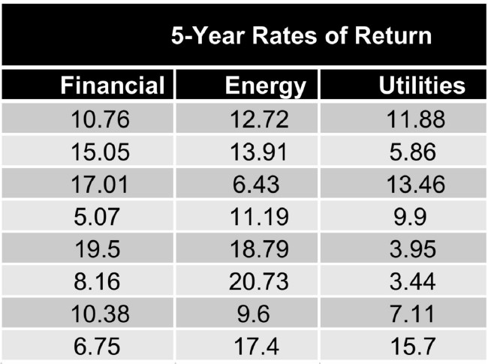
1. Determine the ANOVA for below stocks
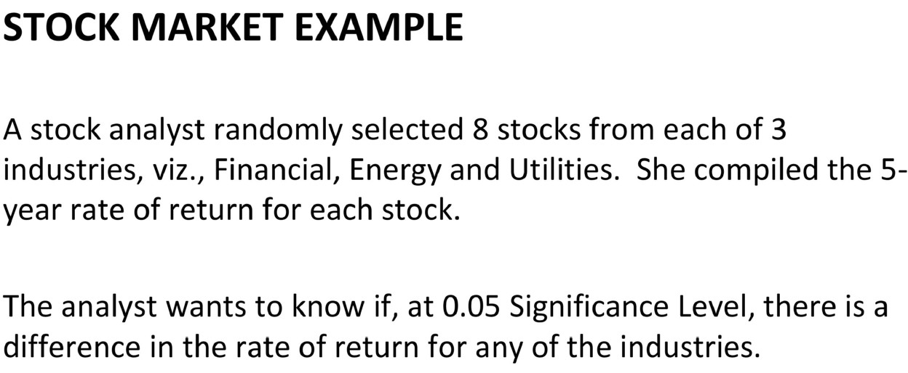

 |  | Financial(A) | Energy(B) | Utilities©
 |  | 10.76 | 12.72 | 11.88
 |  | 15.05 | 13.91 | 5.86
 |  | 17.01 | 6.43 | 13.46
 |  | 5.07 | 11.19 | 9.9
 |  | 19.5 | 18.79 | 3.95
 |  | 8.16 | 20.73 | 3.44
 |  | 10.38 | 9.6 | 7.11
 |  | 6.75 | 17.4 | 15.7
 | Mean(A,B,C) | 11.585 | 13.84625 | 8.9125

 | Sum of the squares Group Calculation
 | (mean A - mean TOT)**2 |  | (11.59-11.44)**2 | 0.022
 | (mean B - mean TOT)**2 |  | (13.84-11.44)**2 | 5.76
 | (mean C - mean TOT)**2 |  | 8.92-11.44)**2 | 6.4
 |  |  | Total | 12.182

 | Mutliply the no of items in each group
 | SSG | 12.18 * 8 = 97.44

 | Degrees of freedom calculation
 | df(groups) = 3-1 = 2

 | Sum of the squares within the Group Calculation
 | Financial(A) | Energy(B) | Utilities©
 | 0.680625 | 1.2684390625 | 8.80605625
 | 12.006225 | 0.0040640625 | 9.31775625
 | 29.430625 | 55.000764062 | 20.67975625
 | 42.445225 | 7.0556640625 | 0.97515625
 | 62.647225 | 24.440664063 | 24.62640625
 | 11.730625 | 47.386014063 | 29.94825625
 | 1.452025 | 18.030639062 | 3.24900625
 | 23.377225 | 12.629139063 | 46.07015625
 | 183.7698 | 165.8153875 | 143.67255
 | SSWG | 493.2577375

 |  | Degrees of freedom calculation
 |  | df(within the groups) = (n-1) * 3 |  | 21

 |  | Formula = SSG/ df(groups) // sswg/df(withingroups)
 |  | 97.44/2 // 493.26/21
 | F ratio | 2.0774

 | 95% confidence in F table(0.05) | 3.4668 is the critical value |  | (samples(21) = rows) & (groups(2)= columns

 | H0( Null Hypothesis) | All three industries have same return rate (Mean a = Mean b = Mean C)
 | Ha(alternate hypothesis) | All three industries have different return rate

 | F ratio is less than F critical value | 2.774 < 3.4668
 | So , we accept the null Hypothesis
 | There is no significant difference in the return rate for all three industries

F-distribution test
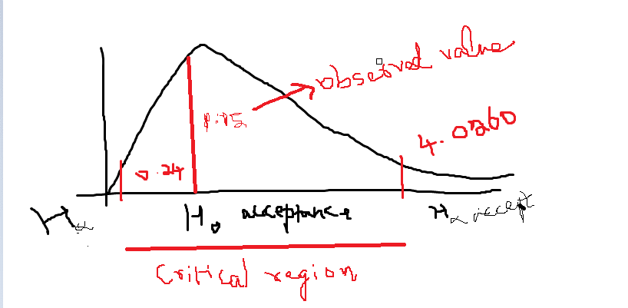
1. Perform hypothesis test for 2 sample variances with F – distribution for below scenario

a. A machine produces metal sheet with 20mm thickness. There is a variability in thickness due to machine, operators, manufacturing environment, raw material etc. The company wants to know the consistency of the two machines and randomly sample 10 sheets from machine 1 and 10 sheets from machine 2. Thickness measurements are taken. Assume sheet thickness is normally distributed in the population. The company wants to know if the variance from each samples have equal population variance or not. How do you test this?
b. Frame your hypothesis and justify accept or reject the H0 or Ha for below table

 |  |  | Machine 1 | Machine 2
 |  |  | 20.2 | 22.1
 |  |  | 20.9 | 21.3
 |  |  | 22.3 | 20.1
 |  |  | 22.8 | 22.5
 |  |  | 21.5 | 20.2
 |  |  | 23 | 20.3
 |  |  | 22.4 | 20.4
 |  |  | 21.4 | 21.1
 |  |  | 21.2 | 20.8
 |  |  | 21.3 | 20.4
 | sample variances |  | 0.79777777778 | 0.68844444444

 |  |  | F = s1**2 / s2**2
 | F observed value |  | 1.1588083203

 | H0( Null Hypothesis) |  | variance 1 = variance 2
 | Ha(alternate hypothesis) |  | Variance 1 is not equal to variance 2

 | degree of freedom calculation for rows and columns = (10-1) = 9

 | Since this is a two tailed test, we have to calculate two F values
 | F (0.025) = 4.0260
 | F(0.075) = 1/ F(0.025) | 0.24838549429

 | we plotting the graph, 1.15 (observed value falls between the critical region - 0.24 - 4.0260)
 | ( F= 1.158) Observed value is in the critical region , So we accept the null Hypothesis
 | Variance in machine 1 is equal to variance in machine 2

T- distribution
1. Perform t- distribution (t student distribution) and provide the confidence Interval for below scenario
a. The labelled speed of the car from 0 to 5 seconds is 100 mph. A sample of 10 car speeds are taken for the study
b. A researcher wants to estimate the interval for the true mean of the batch of cars with 95% confidence. Assume the speeds are normally distributed
c. Speeds are as follows (in mph)
100.5 | 101.3 | 99.5 | 98.6 | 104 | 103.1 | 100.5 | 99.8 | 98.6 | 102.4

 | Mean | 100.83
 | SD | 1.8523558573
 | n = 10
 | df = n-1 = 9
 | alpha = 0.05 | alpha/2 = 0.025

 | t value from the table for 0.025 confidence interval is 2.262

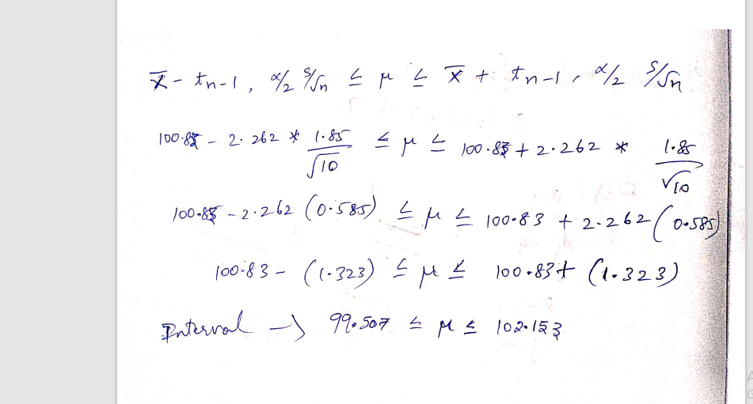

The batch mean is 100.83 mph with an error of +/- 1.323 mph. The researcher is 95 confident that the average speed of the batch of cars is between 99.507 mph and 102.153 mph

